Picture
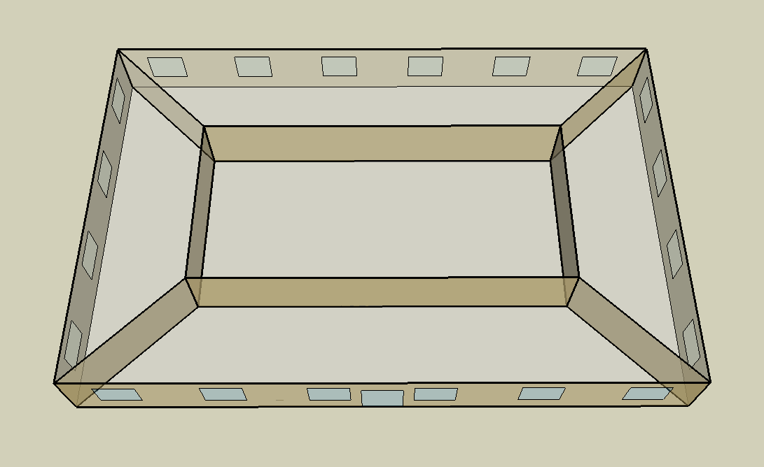
DOE Commercial Building Benchmark - Small Office

Electricity
 | Cooling | Interior Lighting | Exterior Lighting | Interior Equipment | Fans
Miami | 33,680.56 | 28,511.11 | 12,088.89 | 24,369.44 | 21,769.44
Houston | 25,519.44 | 28,511.11 | 12,086.11 | 24,369.44 | 23,300.00
Phoenix | 32,494.44 | 28,511.11 | 12,083.33 | 24,369.44 | 26,530.56
Atlanta | 16,638.89 | 28,511.11 | 12,080.56 | 24,369.44 | 24,641.67
Los Angeles | 11,297.22 | 28,511.11 | 12,072.22 | 24,369.44 | 19,222.22
Las Vegas | 24,986.11 | 28,511.11 | 12,069.44 | 24,369.44 | 26,113.89
San Francisco | 5,625.00 | 28,511.11 | 12,075.00 | 24,369.44 | 18,600.00
Baltimore | 11,900.00 | 28,511.11 | 12,069.44 | 24,369.44 | 24,336.11
Albuquerque | 13,191.67 | 28,511.11 | 12,072.22 | 24,369.44 | 24,725.00
Seattle | 4,300.00 | 28,511.11 | 12,050.00 | 24,369.44 | 22,161.11
Chicago | 8,147.22 | 28,511.11 | 12,069.44 | 24,369.44 | 25,541.67
Boulder | 7,205.56 | 28,511.11 | 12,063.89 | 24,369.44 | 26,147.22
Minneapolis | 7,005.56 | 28,511.11 | 12,063.89 | 24,369.44 | 28,000.00
Helena | 4,152.78 | 28,511.11 | 12,061.11 | 24,369.44 | 29,694.44
Duluth | 3,183.33 | 28,511.11 | 12,052.78 | 24,369.44 | 30,802.78
Fairbanks | 2,033.33 | 28,511.11 | 11,977.78 | 24,369.44 | 39,602.78

Gas
 | Heating | Water Systems
Miami | 1,380.00 | 10,180.00
Houston | 39,420.00 | 10,580.00
Phoenix | 26,170.00 | 10,350.00
Atlanta | 83,990.00 | 10,970.00
Los Angeles | 15,170.00 | 10,890.00
Las Vegas | 52,130.00 | 10,630.00
San Francisco | 52,880.00 | 11,220.00
Baltimore | 157,920.00 | 11,270.00
Albuquerque | 111,960.00 | 11,210.00
Seattle | 123,280.00 | 11,420.00
Chicago | 208,820.00 | 11,530.00
Boulder | 156,680.00 | 11,520.00
Minneapolis | 281,120.00 | 11,760.00
Helena | 221,230.00 | 11,800.00
Duluth | 360,610.00 | 12,140.00
Fairbanks | 648,800.00 | 12,590.00

EUI
 | Cooling (elec) | Interior Lighting (elec) | Exterior Lighting (elec) | Interior Equipment (elec) | Fans (elec) | Heating (gas) | Water Systems (gas)
Miami | 237.21 | 200.80 | 85.14 | 171.63 | 153.32 | 2.70 | 19.92
Houston | 179.73 | 200.80 | 85.12 | 171.63 | 164.10 | 77.12 | 20.70
Phoenix | 228.85 | 200.80 | 85.10 | 171.63 | 186.85 | 51.20 | 20.25
Atlanta | 117.18 | 200.80 | 85.08 | 171.63 | 173.55 | 164.31 | 21.46
Los Angeles | 79.56 | 200.80 | 85.02 | 171.63 | 135.38 | 29.68 | 21.30
Las Vegas | 175.97 | 200.80 | 85.00 | 171.63 | 183.92 | 101.98 | 20.80
San Francisco | 39.62 | 200.80 | 85.04 | 171.63 | 131.00 | 103.45 | 21.95
Baltimore | 83.81 | 200.80 | 85.00 | 171.63 | 171.39 | 308.94 | 22.05
Albuquerque | 92.91 | 200.80 | 85.02 | 171.63 | 174.13 | 219.03 | 21.93
Seattle | 30.28 | 200.80 | 84.87 | 171.63 | 156.08 | 241.18 | 22.34
Chicago | 57.38 | 200.80 | 85.00 | 171.63 | 179.88 | 408.52 | 22.56
Boulder | 50.75 | 200.80 | 84.96 | 171.63 | 184.15 | 306.52 | 22.54
Minneapolis | 49.34 | 200.80 | 84.96 | 171.63 | 197.20 | 549.96 | 23.01
Helena | 29.25 | 200.80 | 84.94 | 171.63 | 209.13 | 432.80 | 23.08
Duluth | 22.42 | 200.80 | 84.89 | 171.63 | 216.94 | 705.47 | 23.75
Fairbanks | 14.32 | 200.80 | 84.36 | 171.63 | 278.91 | 1269.27 | 24.63

Water
 | Total Building | Water for Electricity (m3)
Miami | 17.63 | 63.79
Houston | 17.63 | 185.14
Phoenix | 17.63 | 3,682.90
Atlanta | 17.63 | 663.32
Los Angeles | 17.63 | 1,676.20
Las Vegas | 17.63 | 3,183.65
San Francisco | 17.63 | 1,565.81
Baltimore | 17.63 | 22.97
Albuquerque | 17.63 | 467.10
Seattle | 17.63 | 933.69
Chicago | 17.63 | 153.03
Boulder | 17.63 | 446.33
Minneapolis | 17.63 | 155.06
Helena | 17.63 | 6,257.51
Duluth | 17.63 | 153.47
Fairbanks | 17.63 | 108.80

Carbon
 | Carbon Equivalent (kg)
Miami | 33,232.92
Houston | 38,855.29
Phoenix | 38,086.63
Atlanta | 34,438.16
Los Angeles | 11,626.90
Las Vegas | 40,271.72
San Francisco | 11,577.97
Baltimore | 30,355.67
Albuquerque | 44,241.99
Seattle | 9,085.29
Chicago | 56,562.97
Boulder | 43,186.02
Minneapolis | 39,492.09
Helena | 40,302.23
Duluth | 40,580.68
Fairbanks | 41,892.79

LtgSch
Lighting Schedules
 | Weekday | Saturday | Other
 | 0.05 | 0.05 | 0.05
 | 0.05 | 0.05 | 0.05
 | 0.05 | 0.05 | 0.05
 | 0.05 | 0.05 | 0.05
 | 0.05 | 0.05 | 0.05
 | 0.1 | 0.05 | 0.05
 | 0.1 | 0.1 | 0.05
 | 0.3 | 0.1 | 0.05
 | 0.9 | 0.3 | 0.05
 | 0.9 | 0.3 | 0.05
 | 0.9 | 0.3 | 0.05
 | 0.9 | 0.3 | 0.05
 | 0.9 | 0.15 | 0.05
 | 0.9 | 0.15 | 0.05
 | 0.9 | 0.15 | 0.05
 | 0.9 | 0.15 | 0.05
 | 0.9 | 0.15 | 0.05
 | 0.5 | 0.05 | 0.05
 | 0.3 | 0.05 | 0.05
 | 0.3 | 0.05 | 0.05
 | 0.2 | 0.05 | 0.05
 | 0.2 | 0.05 | 0.05
 | 0.1 | 0.05 | 0.05
 | 0.05 | 0.05 | 0.05

OccSch
Occupancy Schedules
 | Weekday | Saturday | Other
 | 0 | 0 | 0
 | 0 | 0 | 0
 | 0 | 0 | 0
 | 0 | 0 | 0
 | 0 | 0 | 0
 | 0 | 0 | 0
 | 0.1 | 0.1 | 0
 | 0.2 | 0.1 | 0
 | 0.95 | 0.3 | 0
 | 0.95 | 0.3 | 0
 | 0.95 | 0.3 | 0
 | 0.95 | 0.3 | 0
 | 0.5 | 0.1 | 0
 | 0.95 | 0.1 | 0
 | 0.95 | 0.1 | 0
 | 0.95 | 0.1 | 0
 | 0.95 | 0.1 | 0
 | 0.3 | 0 | 0
 | 0.1 | 0 | 0
 | 0.1 | 0 | 0
 | 0.05 | 0 | 0
 | 0.05 | 0 | 0
 | 0.05 | 0 | 0
 | 0.05 | 0 | 0

EqpSch
Equipment Schedules
 | Weekday | Saturday | Other
 | 0.4 | 0.3 | 0.3
 | 0.4 | 0.3 | 0.3
 | 0.4 | 0.3 | 0.3
 | 0.4 | 0.3 | 0.3
 | 0.4 | 0.3 | 0.3
 | 0.4 | 0.3 | 0.3
 | 0.4 | 0.4 | 0.3
 | 0.4 | 0.4 | 0.3
 | 0.9 | 0.5 | 0.3
 | 0.9 | 0.5 | 0.3
 | 0.9 | 0.5 | 0.3
 | 0.9 | 0.5 | 0.3
 | 0.8 | 0.35 | 0.3
 | 0.9 | 0.35 | 0.3
 | 0.9 | 0.35 | 0.3
 | 0.9 | 0.35 | 0.3
 | 0.9 | 0.35 | 0.3
 | 0.5 | 0.3 | 0.3
 | 0.4 | 0.3 | 0.3
 | 0.4 | 0.3 | 0.3
 | 0.4 | 0.3 | 0.3
 | 0.4 | 0.3 | 0.3
 | 0.4 | 0.3 | 0.3
 | 0.4 | 0.3 | 0.3

HeatSch
Heating Set Point Schedules
 | Weekday | Saturday | Other
 | 15.6 | 15.6 | 15.6
 | 15.6 | 15.6 | 15.6
 | 15.6 | 15.6 | 15.6
 | 15.6 | 15.6 | 15.6
 | 15.6 | 15.6 | 15.6
 | 15.6 | 15.6 | 15.6
 | 21 | 21 | 15.6
 | 21 | 21 | 15.6
 | 21 | 21 | 15.6
 | 21 | 21 | 15.6
 | 21 | 21 | 15.6
 | 21 | 21 | 15.6
 | 21 | 21 | 15.6
 | 21 | 21 | 15.6
 | 21 | 21 | 15.6
 | 21 | 21 | 15.6
 | 21 | 21 | 15.6
 | 21 | 21 | 15.6
 | 21 | 15.6 | 15.6
 | 21 | 15.6 | 15.6
 | 21 | 15.6 | 15.6
 | 21 | 15.6 | 15.6
 | 15.6 | 15.6 | 15.6
 | 15.6 | 15.6 | 15.6

CoolSch
Cooling Set Point Schedules
 | Weekday | Saturday | Other
 | 26.7 | 26.7 | 26.7
 | 26.7 | 26.7 | 26.7
 | 26.7 | 26.7 | 26.7
 | 26.7 | 26.7 | 26.7
 | 26.7 | 26.7 | 26.7
 | 26.7 | 26.7 | 26.7
 | 24 | 24 | 26.7
 | 24 | 24 | 26.7
 | 24 | 24 | 26.7
 | 24 | 24 | 26.7
 | 24 | 24 | 26.7
 | 24 | 24 | 26.7
 | 24 | 24 | 26.7
 | 24 | 24 | 26.7
 | 24 | 24 | 26.7
 | 24 | 24 | 26.7
 | 24 | 24 | 26.7
 | 24 | 24 | 26.7
 | 24 | 26.7 | 26.7
 | 24 | 26.7 | 26.7
 | 24 | 26.7 | 26.7
 | 24 | 26.7 | 26.7
 | 26.7 | 26.7 | 26.7
 | 26.7 | 26.7 | 26.7

